Details
INSTALLATION OF POTABLE WATER TREATMENT PLANT AND DISPENSERS AT FORCADOS TERMINAL (PHASE 1)
Activity | Naira
Monthly cost savings by installing water purifier & dispense | 1,100,000.00
 | 3,606.56

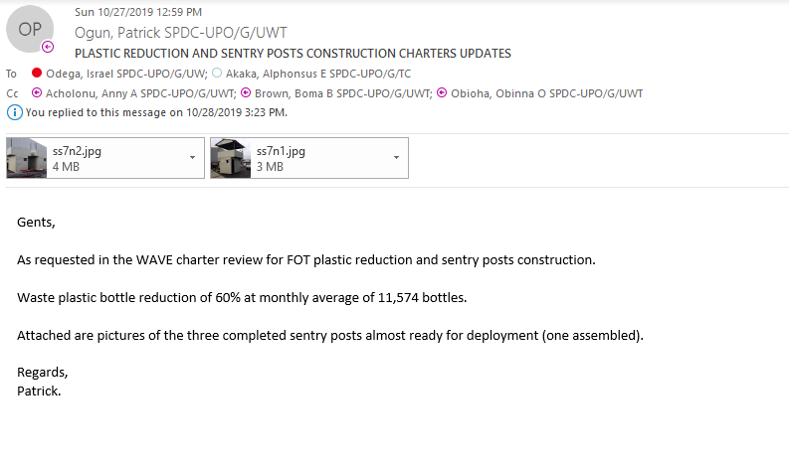

 |  | 25062.295082

